Sheet1
Design Brief

Project Description | Problem: Inefficient use of space in Meeting Rooms at Hamburg Hall The meeting rooms have narrow tables. It gets really difficult to sit opposite one other and keep laptops, notes and cups on the table at the same time. If the width of the table is increased, the space to keep bags or move chairs around reduces. Thus, a solution is needed to improve the experience for visitors of Hamburg Hall Meeting Rooms. | Current Structure of Meeting Rooms at Hamburg Hall
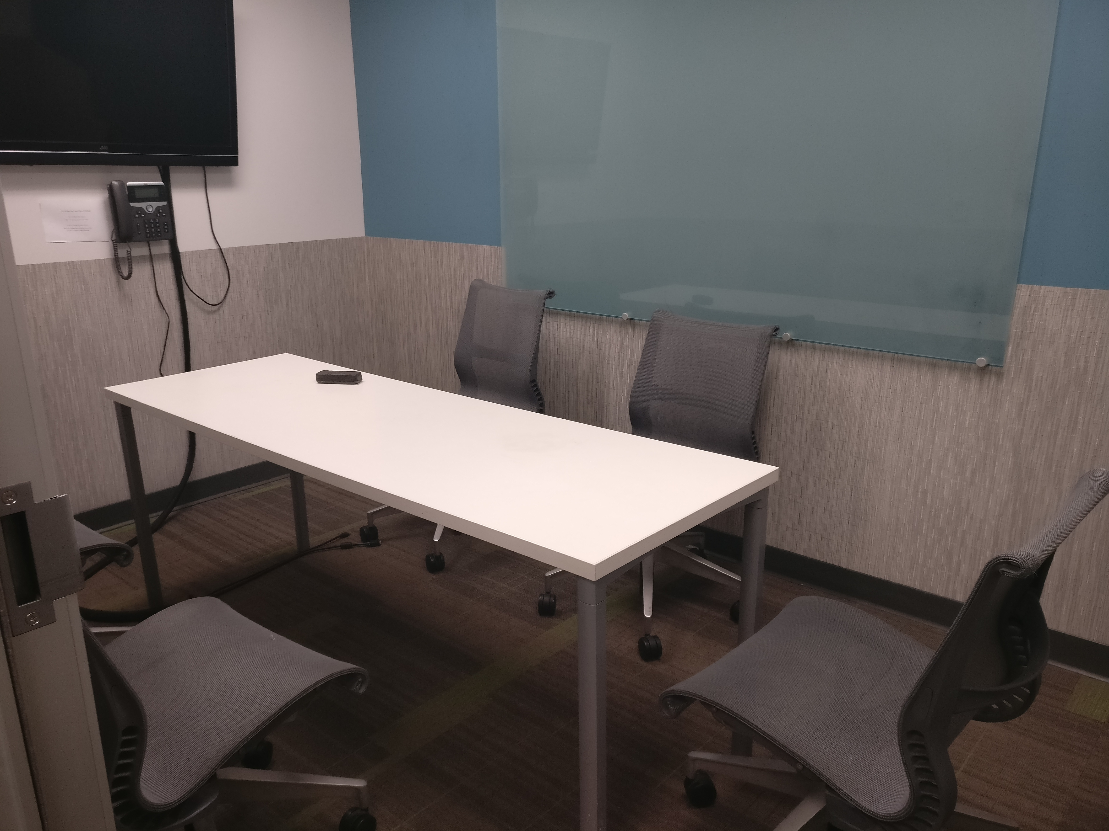

Scope | To make the basement interview rooms (A007A - J) more productive for students, staff, and interviewers. We will be limiting our improvements to just the conference rooms located in the basement of Hamburg Hall. We want to give students a private and productive collaborative working environment for group projects and student group meetings. Thus, the modifications would be targeted towards providing students ample space to both write down ideas and use personal computers. Recruiters and interviewers need access to technology that would allow them to conduct video conference calls. Since the rooms also need to fulfill their needs, we may change the location of the video conference equipment but will not plan any other changes in that direction.

Contraints | 1. Time: The meeting rooms serve as a lifeline for use cases such as holding student and staff meetings and conducting interviews. Since all the rooms are similarly sized, we would need to work in one room. We would need permission to observe different users (staff, students, interviewers) in a meeting during our initial project period. After proof of concept, room bookings will be affected for a maximum of 4 weeks when we make modifications to the room. 2. Cost: Any changes to the structure of the rooms or the furniture or technology in them will cost some amount that may or may not be approved by CMU. 3. Building Preservation: Changes to the structure of the building may not be allowed as Hamburg Hall is a historic building.

Target Users | Students: They work in groups for their capstone meeting and often have notes, laptops and peripherals with them. Career Services Staff: They visit the rooms to organize them for interviews. Interviewers/Recruiters: They conduct one-on-one interviews and office hours and often even group office hours.

Exploration Questions | How might we use the Meeting Rooms space more efficiently? How might we deliver a more de-cluttered experience to users? What is my budget? What is the volume available in different meeting rooms? What is the seating capacity of each room? What are the requirements of students? What are the requirements of career services staff? What are the requirements of interviewers/recruiters? How might we modify the existing equipment to improve space?

Expected Outcomes | An efficient and comfortable working space for Heinz students and faculty that serves the need for space and access to technology.

Success Metrics | Positive feedback from the 3 target groups on the new experience relative to the former. Target groups engaging and using the interview rooms for more academic activities than before.

